-4 deg
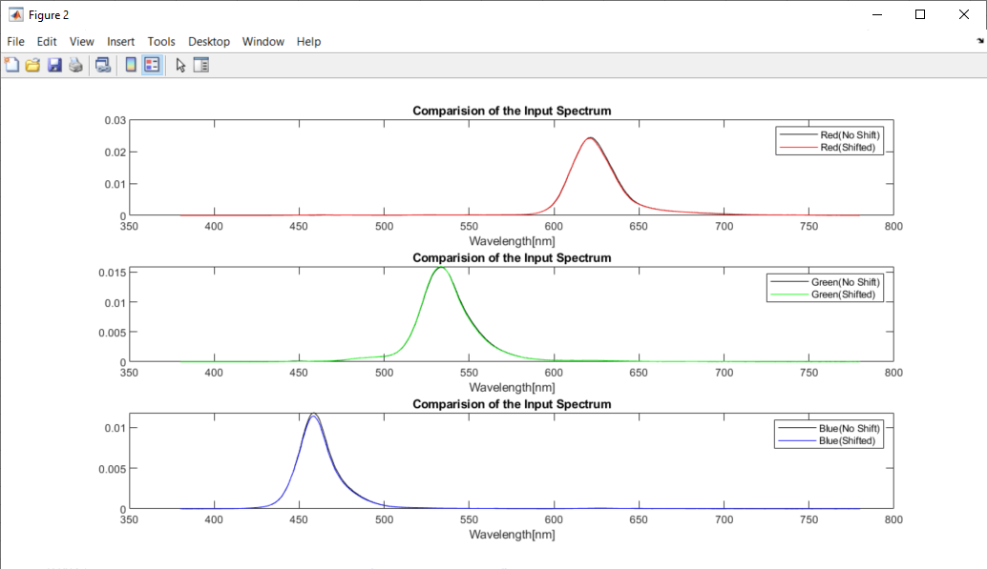
Pattern Colors | X_shifted | Y_shifted | Z_shifted | 1931 x | 1931 y | Simulated R | Simulated G | Simulated B | X_Calculated | Y_Calculated | Z_Calculated | 1931 x | 1931 y | dx | dy
Red | 57.903396873 | 27.755019372 | 0.89407506913 | 0.66899746031 | 0.32067268025 | 75.344801521 | 17.530142839 | 5.0831258105 | 57.535003675 | 27.613108126 | 0.76026117319 | 0.66972521634 | 0.32142510875 | -0.00072775602232 | -0.00075242850005
Green | 15.759410923 | 46.912338502 | 3.4978525033 | 0.23816692958 | 0.70897114589 | 4.2359311839 | 52.559980903 | 12.710007663 | 16.06739009 | 47.182884932 | 3.7086717373 | 0.23995882355 | 0.70465392924 | -0.0017918939681 | 0.0043172166527
Blue | 7.9077674131 | 2.7350159574 | 43.622738292 | 0.14572360443 | 0.050400620387 | 1.1654811771 | 6.3797397847 | 20.327553254 | 7.9270405723 | 2.7248032225 | 43.631401904 | 0.14603107221 | 0.050196026185 | -0.00030746777267 | 0.00020459420234

-2 deg
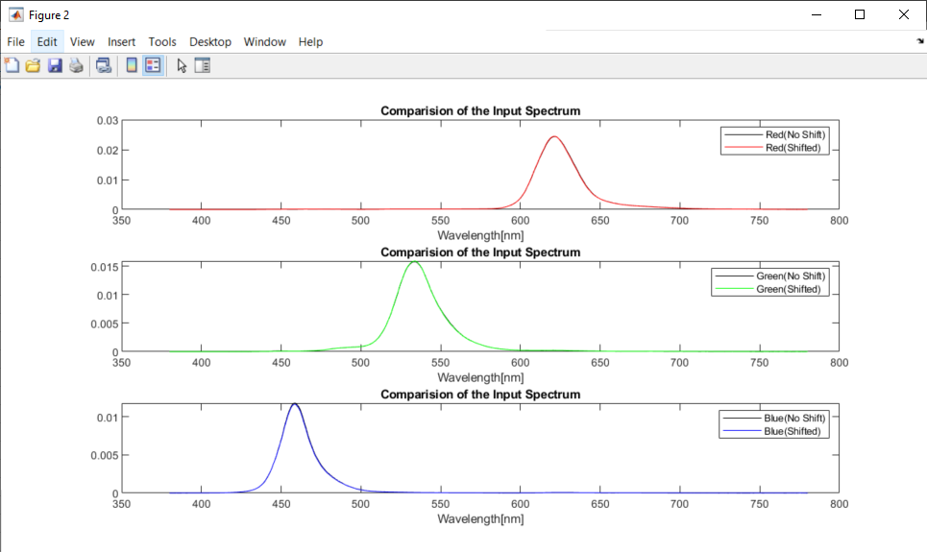
Pattern Colors | X_shifted | Y_shifted | Z_shifted | 1931 x | 1931 y | Simulated R | Simulated G | Simulated B | X_Calculated | Y_Calculated | Z_Calculated | 1931 x | 1931 y | dx | dy
Red | 58.398436898 | 27.913513441 | 0.77877239323 | 0.67054716124 | 0.32051075666 | 76.391180354 | 17.617767179 | 5.097293159 | 58.289719032 | 27.861848035 | 0.71630620796 | 0.67101584089 | 0.32073823135 | -0.00046867965392 | -0.00022747468758
Green | 15.997083849 | 47.217879482 | 3.4949996585 | 0.23980052053 | 0.70780850964 | 4.2595542314 | 52.782136606 | 12.695328605 | 16.119221883 | 47.394560225 | 3.5668480942 | 0.24029622016 | 0.70653123088 | -0.00049569962744 | 0.0012772787628
Blue | 8.0704926665 | 2.7963246753 | 44.614594968 | 0.14546299978 | 0.050401108387 | 1.1620774252 | 6.5550456168 | 20.832766929 | 8.1043017657 | 2.8027470093 | 44.708772011 | 0.14571935919 | 0.050394779214 | -0.00025635940911 | 6.3291731449E-06

0 deg
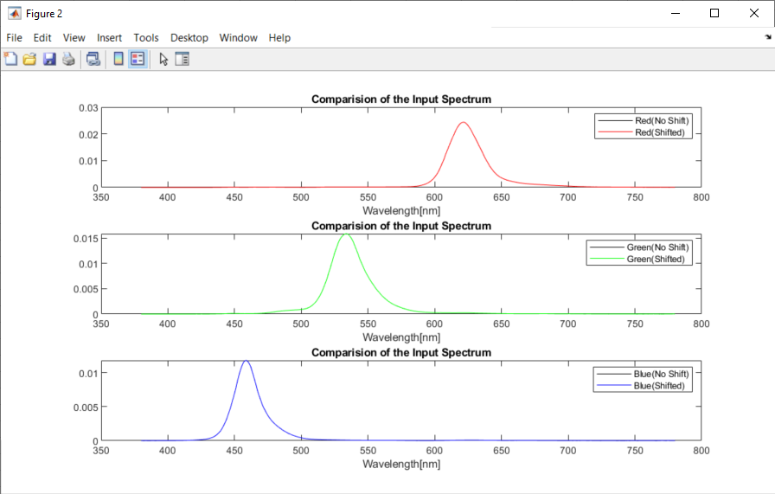
Pattern Colors | X_shifted | Y_shifted | Z_shifted | 1931 x | 1931 y | Simulated R | Simulated G | Simulated B | X_Calculated | Y_Calculated | Z_Calculated | 1931 x | 1931 y | dx | dy
Red | 58.376434916 | 27.890712916 | 0.73630303582 | 0.67096689079 | 0.32057019161 | 76.739727081 | 17.683651654 | 5.126467263 | 58.55483204 | 27.974586851 | 0.74018509015 | 0.67096479609 | 0.32055361289 | 2.0946985937E-06 | 1.6578727017E-05
Green | 16.081714852 | 47.275898002 | 3.5015792687 | 0.24053109739 | 0.70709645901 | 4.2798307874 | 52.810759586 | 12.678559235 | 16.133632552 | 47.427095438 | 3.5137940799 | 0.24053294834 | 0.70708063173 | -1.8509487315E-06 | 1.5827278133E-05
Blue | 8.1840881951 | 2.8557635596 | 45.227009451 | 0.14545130153 | 0.05075391622 | 1.1505816177 | 6.678104454 | 21.142484845 | 8.2091372101 | 2.8634141788 | 45.362025694 | 0.14546289942 | 0.050738648659 | -1.1597896057E-05 | 1.526756104E-05
IR cut filter: 380nm to 700nm
Pattern Colors | X_shifted | Y_shifted | Z_shifted | 1931 x | 1931 y | Simulated R | Simulated G | Simulated B | X_Calculated | Y_Calculated | Z_Calculated | 1931 x | 1931 y | dx | dy
Red | 58.371833995 | 27.889051312 | 0.73630303582 | 0.67096230472 | 0.32057416847 | 75.826253504 | 17.315107724 | 4.9979479219 | 58.416865497 | 27.910130722 | 0.73717938982 | 0.67096328758 | 0.32056963185 | -9.8286091432E-07 | 4.5366242717E-06
Green | 16.081232856 | 47.275723931 | 3.5015792687 | 0.24052624848 | 0.707100794 | 4.1672519878 | 52.763131806 | 12.662281403 | 16.095678269 | 47.31780203 | 3.505122678 | 0.24052621472 | 0.7070948873 | 3.3758598611E-08 | 5.9066970396E-06
Blue | 8.1838290746 | 2.8556699768 | 45.227009451 | 0.14544760804 | 0.050752571161 | 1.0813219843 | 6.6475139065 | 21.132249825 | 8.1893134452 | 2.8564022286 | 45.257707795 | 0.14544965369 | 0.050732301032 | -2.045648187E-06 | 2.0270129261E-05

2 deg
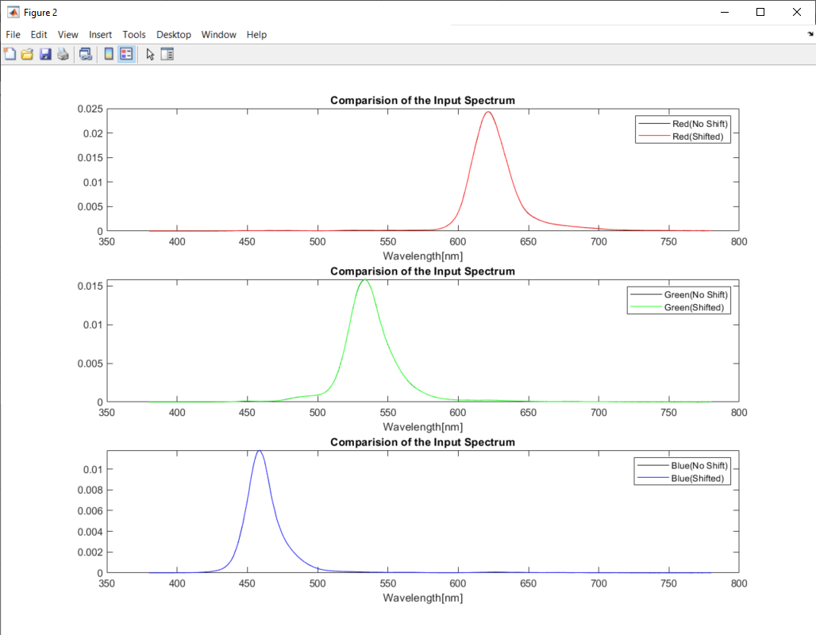
Pattern Colors | X_shifted | Y_shifted | Z_shifted | 1931 x | 1931 y | Simulated R | Simulated G | Simulated B | X_Calculated | Y_Calculated | Z_Calculated | 1931 x | 1931 y | dx | dy | CIE x_Mithran | CIE y_Mithran
Red | 58.386338731 | 27.916572912 | 0.73631721428 | 0.67080487152 | 0.32073552671 | 76.901354618 | 17.773172231 | 5.1603418743 | 58.694246605 | 28.078022478 | 0.76957208022 | 0.67047078088 | 0.3207383133 | 0.00033409063637 | -2.7865924153E-06 | 0.6711 | 0.3204
Green | 16.111144852 | 47.366093791 | 3.5146284107 | 0.24049404145 | 0.70704244969 | 4.277250409 | 52.907425276 | 12.701840519 | 16.155870905 | 47.512201889 | 3.5207371012 | 0.240454786 | 0.70714456713 | 3.9255448764E-05 | -0.00010211743418 | 0.24 | 0.7076
Blue | 8.1950637846 | 2.8662023085 | 45.267788729 | 0.14548555467 | 0.050883195494 | 1.1753640815 | 6.6922749465 | 21.160686112 | 8.2344145914 | 2.8775326134 | 45.396232002 | 0.14572075595 | 0.050922408999 | -0.00023520128576 | -3.9213504966E-05 | 0.1455 | 0.0507

IR cut filter: 380nm to 700nm
Pattern Colors | X_shifted | Y_shifted | Z_shifted | 1931 x | 1931 y | Simulated R | Simulated G | Simulated B | X_Calculated | Y_Calculated | Z_Calculated | 1931 x | 1931 y | dx | dy
Red | 58.381532611 | 27.914837202 | 0.73631721428 | 0.6708000707 | 0.32073969166 | 75.886010883 | 17.356723472 | 5.0170097727 | 58.472348602 | 27.955461173 | 0.75898905832 | 0.67065598673 | 0.32063869241 | 0.00014408396559 | 0.00010099925604
Green | 16.11065345 | 47.365916321 | 3.5146284107 | 0.24048910733 | 0.70704685999 | 4.1666875356 | 52.860938053 | 12.685896673 | 16.119669287 | 47.404097072 | 3.512210362 | 0.24046295848 | 0.70714412455 | 2.614884769E-05 | -9.7264561825E-05
Blue | 8.1947813018 | 2.8661002885 | 45.267788729 | 0.14548153286 | 0.050881731669 | 1.1002161482 | 6.6598711621 | 21.149824989 | 8.2101219468 | 2.8681051503 | 45.291490322 | 0.14564774001 | 0.050880247084 | -0.0001662071494 | 1.484585033E-06

4 deg
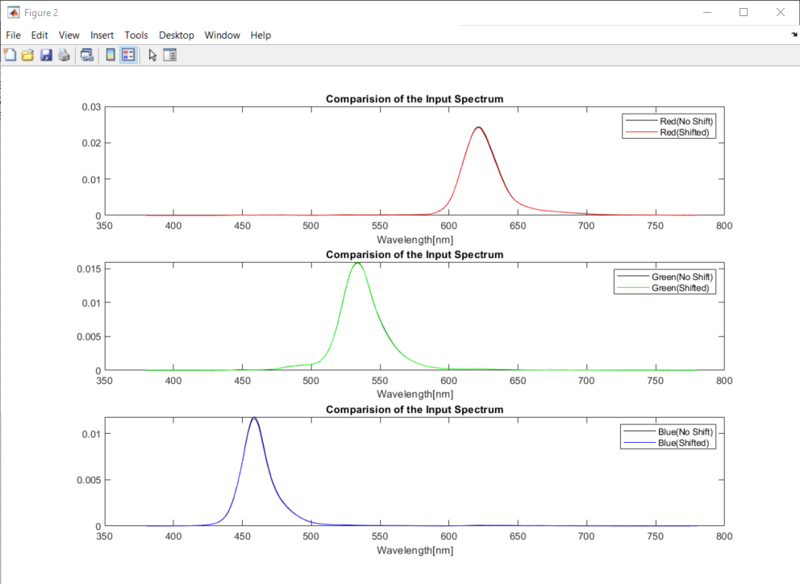
Pattern Colors | X_shifted | Y_shifted | Z_shifted | 1931 x | 1931 y | Simulated R | Simulated G | Simulated B | X_Calculated | Y_Calculated | Z_Calculated | 1931 x | 1931 y | dx | dy | CIE x_Mithran | CIE y_Mithran
Red | 57.774990719 | 27.65372066 | 0.71317129651 | 0.67069570486 | 0.32102526438 | 75.758481321 | 17.526205462 | 5.0478204305 | 57.814488403 | 27.682543724 | 0.66743669699 | 0.67097829525 | 0.32127562674 | -0.00028259039195 | -0.00025036236185 | 0.671 | 0.3207
Green | 15.973896907 | 47.207210605 | 3.4964144037 | 0.23956944481 | 0.70799287749 | 4.244856995 | 52.783507674 | 12.697500424 | 16.109781109 | 47.393079867 | 3.571661461 | 0.24017735086 | 0.70657349684 | -0.0006079060437 | 0.0014193806533 | 0.2391 | 0.7085
Blue | 8.1169471474 | 2.8385894599 | 44.626587105 | 0.1460352107 | 0.051070187145 | 1.2460021879 | 6.593772114 | 20.840990996 | 8.1725597845 | 2.8508332371 | 44.706238539 | 0.14664657841 | 0.051154711726 | -0.00061136771317 | -8.4524581038E-05 | 0.1461 | 0.0508

IR cut filter: 380nm to 700nm
Pattern Colors | X_shifted | Y_shifted | Z_shifted | 1931 x | 1931 y | Simulated R | Simulated G | Simulated B | X_Calculated | Y_Calculated | Z_Calculated | 1931 x | 1931 y | dx | dy
Red | 57.770624134 | 27.652143682 | 0.71317129651 | 0.67069129018 | 0.32102910779 | 74.873704192 | 17.170472492 | 4.9243239476 | 57.692800694 | 27.628546529 | 0.66793242292 | 0.67093015468 | 0.32130222096 | -0.00023886450806 | -0.00027311316818
Green | 15.973381309 | 47.207024397 | 3.4964144037 | 0.2395642336 | 0.70799753677 | 4.1356647967 | 52.73870637 | 12.682057239 | 16.074728712 | 47.286713091 | 3.5632681193 | 0.24019123476 | 0.70656582816 | -0.00062700115572 | 0.0014317086058
Blue | 8.1166554714 | 2.8384841222 | 44.626587105 | 0.14603100612 | 0.051068656747 | 1.1677468179 | 6.5600426692 | 20.829703633 | 8.1458213859 | 2.8397482953 | 44.602840707 | 0.14653812421 | 0.051085258159 | -0.00050711809299 | -1.6601411932E-05

6 deg
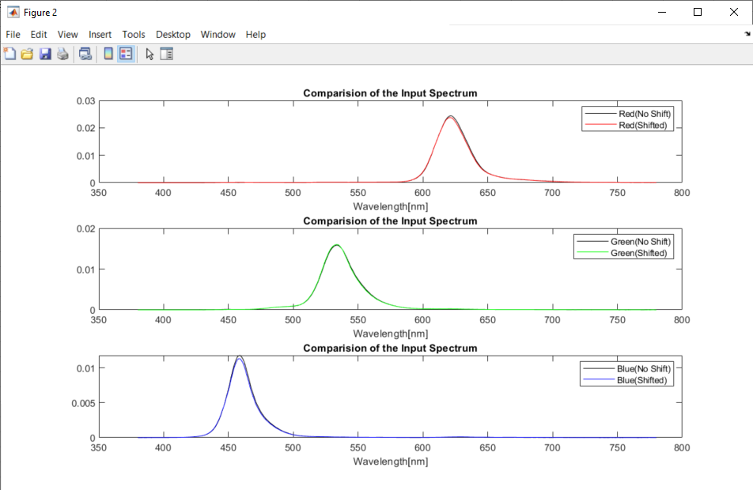
Pattern Colors | X_shifted | Y_shifted | Z_shifted | 1931 x | 1931 y | Simulated R | Simulated G | Simulated B | X_Calculated | Y_Calculated | Z_Calculated | 1931 x | 1931 y | dx | dy
Red | 57.398220207 | 27.568691779 | 0.84488289569 | 0.66888497422 | 0.32126925928 | 75.04728704 | 17.568470977 | 5.0857455044 | 57.333630055 | 27.599758788 | 0.75750485052 | 0.66907494582 | 0.3220850851 | -0.00018997160194 | -0.00081582582393
Green | 15.76339471 | 47.019881976 | 3.5218893674 | 0.23774006836 | 0.70914356716 | 4.2319488493 | 52.703570508 | 12.755846179 | 16.103625756 | 47.307417482 | 3.7448770646 | 0.23979458078 | 0.70444150372 | -0.0020545124261 | 0.0047020634335
Blue | 7.9978298231 | 2.8137339456 | 43.528668552 | 0.14718063361 | 0.051779939567 | 1.3247252625 | 6.4419101551 | 20.301210772 | 8.0422188128 | 2.8125267123 | 43.535584529 | 0.14786118791 | 0.051710050473 | -0.00068055430829 | 6.9889093954E-05

IR cut filter: 380nm to 700nm
Pattern Colors | X_shifted | Y_shifted | Z_shifted | 1931 x | 1931 y | Simulated R | Simulated G | Simulated B | X_Calculated | Y_Calculated | Z_Calculated | 1931 x | 1931 y | dx | dy
Red | 57.393760802 | 27.567081283 | 0.84488289569 | 0.66888032022 | 0.32127321679 | 74.081730496 | 17.171717423 | 4.9500244483 | 57.138089363 | 27.49232024 | 0.7512710313 | 0.66920783169 | 0.32199319615 | -0.00032751146643 | -0.00071997936241
Green | 15.762858159 | 47.019688202 | 3.5218893674 | 0.23773459476 | 0.70914845569 | 4.1148253722 | 52.654825543 | 12.739331574 | 16.061890107 | 47.196426229 | 3.7357722228 | 0.23975085642 | 0.70448642924 | -0.0020162616587 | 0.00466202645
Blue | 7.9975305426 | 2.8136258617 | 43.528668552 | 0.14717622939 | 0.051778338705 | 1.2446733182 | 6.4073329155 | 20.28957022 | 8.0138383698 | 2.800192678 | 43.4344867 | 0.14772455917 | 0.051617865228 | -0.00054832977807 | 0.0001604734763

IR cut filter: 380nm to 650nm
Pattern Colors | X_shifted | Y_shifted | Z_shifted | 1931 x | 1931 y | Simulated R | Simulated G | Simulated B | X_Calculated | Y_Calculated | Z_Calculated | 1931 x | 1931 y | dx | dy
Red | 56.527717575 | 27.245488109 | 0.84488289569 | 0.66803349643 | 0.32198184296 | 68.146520278 | 16.212681465 | 4.1666604536 | 56.556246788 | 27.315570538 | 0.73766178928 | 0.66843865935 | 0.32284291103 | -0.00040516292005 | -0.0008610680619
Green | 15.734612689 | 47.009225121 | 3.5218893674 | 0.23744721984 | 0.70940480281 | 3.8786635752 | 52.611088642 | 12.706380187 | 16.131302558 | 47.474899711 | 3.7600152461 | 0.23945685468 | 0.70472859339 | -0.0020096348411 | 0.0046762094206
Blue | 7.9745571477 | 2.8051262391 | 43.528668552 | 0.1468385039 | 0.051651838787 | 1.0432456325 | 6.3697063654 | 20.261204597 | 7.9914913488 | 2.7881462013 | 43.686417791 | 0.14672425419 | 0.051190529291 | 0.00011424970398 | 0.00046130949581

